1. Title Page
Grocery Basket Analysis

Project Name: Grocery Basket Analysis
Date: 11/02/2024
Analyst Name: Kim San Mak

Contents:
Population Flow
Wrangling steps
Consistency checks
Column derivations
Visualizations and Recommendations

Data Citation:
1. The Instacart Online Grocery Shopping Dataset 2017. Accessed via Kaggle on 20.02.2024.
https://www.kaggle.com/c/instacart-market-basket-analysis/data

2. List of regions of the United States. Accessed via Wikipedia on 27.02.2024.
https://simple.wikipedia.org/wiki/List_of_regions_of_the_United_States

3. Customers data that consists user_ids, names, gender, age, family_status, number_of_dependants and income used in this report, is fabricated.

2. Population Flow
Title page

Population flow

Exclusion flag
Condition: max_order < 5
Obervations to be removed: 1,440,295
Final total count of order_products_all: 32,964,564

Orders_products_all
Rows: 30,964,564
Orders_products_combined
Rows: 2,434,489
Orders_products_merged
Rows: 32,404,859

1.) The grey boxes in the first row of the population flow represent the original data sets as they were when you downloaded them. In the Total fields you need to add the count of the rows when you imported the data set into Jupyter.
2.) The second row of boxes (coloured) represents the data sets after you manipulated them, e.g., removed missing values and duplicates. In the Total fields you need to add the count of the rows after conducting these operations. This offers a visual oveview of how the data flows throughout the data consistency checks.
3.) The third row, where also the arrows are coloured, represents the merges you performed between the datasets. In the Total fields you need to add the count of the rows in the merged datasets, so that you end up with the final dataset (in the red box). Keep in mind the final dataset should be without exclusions (based on the exclusion flag).

3. Wrangling steps
 |  |  |  |  | Title page
Wrangling steps

Dataset | Columns Dropped | Columns renamed | Columns' type changed | Comment/Reason
orders | eval_set | dow = day_of_week | dow int64 to str | The three columns were dropped because they were
 | add_to_cart_order | order_hour_of_day = order_time_24h |  | not needed for the analysis
 | reordered
 |  |  |  | Column was dropped because data was not needed
products | aisle_id | -- | -- | for the analysis

orders_products_prior | -- | -- | -- | --

customers | first_name | First Name to first_name | first_name, object to str | Name was dropped because of data privacy issue
 | last_name | Surnam to last_name | date_joined, object to datetime64
 |  | Gender to gender |  | The renaming is to keep the format of naming
 |  | STATE to state |  | consistent
 |  | n_dependants to dependants
 |  | fam_status to family_status

4. Consistency checks
 |  |  |  |  |  |  |  | Title page
Consistency checks

Dataset | Missing values | Missing values treatment | Duplicates | Duplicates treatment | Wrong values | Wrong values treatment | Comments
orders | 206,209 in product_name | Keep NaN - there are still product_id | -- | -- | -- | -- | --
 | day_since_prior_order | Keep NaN - first order have no prior order
products | 16 product_name | Removed | 5 | Removed | price of product_id 33664 | replaced with 9.2 | (1). similar product_names but in different words sequences,prices and product_id; (2). Different spacings between words.
 |  |  |  |  | price of product_id 21553 | replaced with 10.5
orders_products_prior | -- | -- | -- | -- | -- | -- | --
customers | -- | -- | -- | -- | -- | -- | --

5. Column derivations
 |  |  |  | Title page

Column derivations and aggregations

In this tab you should add tables below that the frequences of flags/label variables that you produced after deriving them. NB: don't do this for continuous variables, only for flags.
Dataset | New column | Column/s it was derived from | Conditions
ords_prods_merged | price_range_loc | prices | Low-range product = prices <=5
 |  |  | Mid-range product = 5 < prices <=15
 |  |  | High-range product = prices > 15

 | busiest_day | order_day_of_week | Based on the frequency of order_day_of_week
 |  |  | Busiest day is order_day_of_week = 0
 |  |  | Regular busy is order_day_of_week != 0 or 4
 |  |  | Least busy is order_day_of_week = 4

 | busiest_days | order_day_of_week | Based on the frequency of order_day_of_week
 |  |  | Busiest days is order_day_of_week = 0 or 1
 |  |  | Regular days is order_day_of_week != 0, 1, 3 or 4
 |  |  | Least busy is order_day_of_week = 4 or 3

 | busiest_period_of_day | order_time_24h | Most oders is between 9 and 17
 |  |  | Average orders is the rest of the hours that are not in 2 and 5, or 9 and 17
 |  |  | Fewest orders is between 2 and 5

 | loyalty_flag | user_id, order_number | Loyal customer is max_order > 40
 |  |  | Regular customer is 10 < max_order <=40
 |  |  | New customer <= 10

 | spending_flag | prices (mean_prices) | Low spender is mean prices < 10
 |  |  | High spender is mean_prices >= 10

 | purchased_frequency | day_since_prior_order (median) | Non-frequent customer is median > 20
 |  |  | Regular-frequent customer is 10 < median <= 20
 |  |  | Frequent customer is median <= 10

 | age_group | age | Young is 18 <= age <= 40
small |  |  | Middle-aged is 41 <= age <= 63
(randomly generated |  |  | Old > 63
subset from the
complete data set) | income_group | income | Low is income < 45000
 |  |  | Middle is 45000 <= income <= 120000
 |  |  | High is income > 120000

 | dependant_group | dependants | Single is dependants == 0
 |  |  | With Dependants is dependants > 0

6. Visualization_Recommendation
 | Title page

Visualisations and Recommendations

In this tab you should include all the visualtions from Exercises 4.9 and 4.10, alongside the answers to key questions from the project brief. Some of the analyses were conducted on the smaller portion of the randomly generated subset of the main data set. Therefore, the absolute values of some of the results do not represent the whole data set, only the patterns and relationships between the varaibles are true. I have included comments on the relationship between different variables, and the respective recommendations for sales and marketing strategy.

Key Questions

1. The sales team needs to know what the busiest days of the week and hours of the day are (i.e., the days and times with the most orders) in order to schedule
ads at times when there are fewer orders?

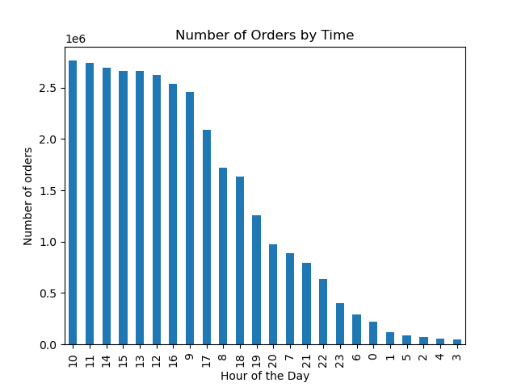

Findings:
(1). The busiest days of the week are during the weekend on Saturday (0) and Sunday (1), while the busiest hours during the day are between 9 and 16 hours,
with the highest number of orders at 10 hours. The purchasing activity slowly decreases from 16 hours and drops off to a minimum level right after midnight.
The hours between 0 and 5 show the lowest number of orders.

Recommendation:
(1). Increase marketing activity and schedule more ads on the TV and social media between Monday and Friday, and between 17 hours and midnight
as most people will have some time after work or dinners to watch TV or check their social media feeds

(2). Increase targeted sales to loyal and frequent customers during the weekend (Saturday and Sunday) and during the busiest hours, between 9 and 16 hours.
In order to maintain or increase the customer retention rate.

2. The sales team also want to know whether there are particular times of the day when people spend the most money, as this might
inform the type of products they advertise at these times?
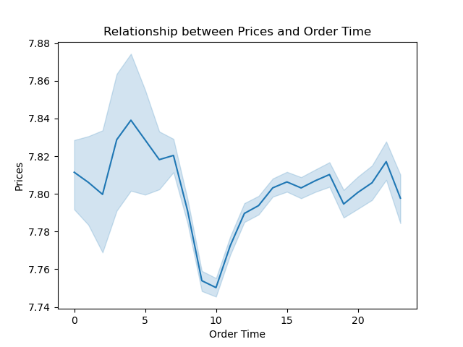
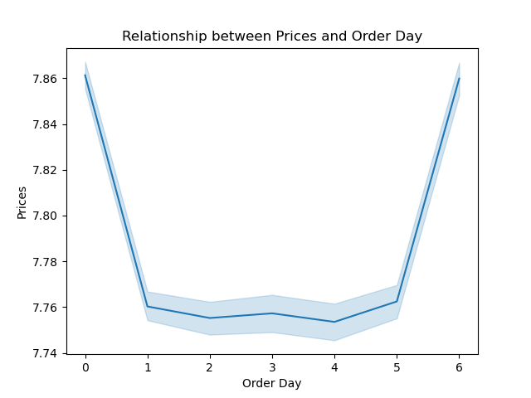

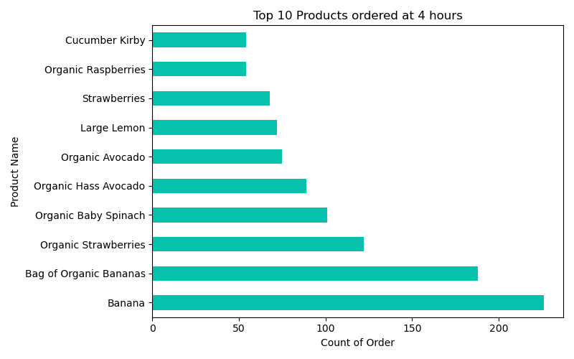
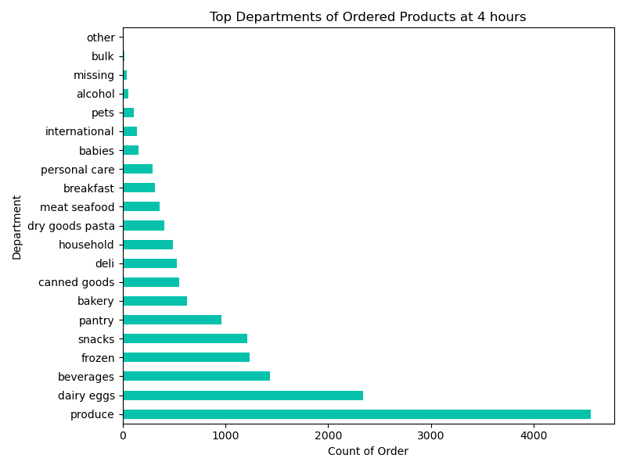

Findings:
(1). From 2 to 10 hours, in the early morning hours show higher average price per order than the time from 10 to 2 hours. Customer spending is highest at 4 hours
in the early morning and lowest at 10 hours. Friday (6) and Saturday (0) are the two days when customers spent in average $0.10 more than during the week days.

(2). At 4 hours, the top 5 departmens where customers spent the most on are produce, dairy eggs, beverages, frozen and snacks, while the top 5 products
ordered at 4 hours are banana, strawberries, spinach, avocado and lemons.

(3). From Question1, we know that customers spend more on products between 2 and 10 hours, while the busiest hours for general ordering start from 9 to 16 hours.
Customers spend more on Friday and Saturday, while the busiest days for ordering are Saturday and Sunday.

Recommendations:
(1). More targeted sales should be focused on the popular departments and theirs products between 2 and 10 hours on Friday and Saturday, to retain and capture
high valued customers.

(2). Investigate further on how to increase customer's spending during the weekdays, for example, Who are these customers? What are their favourite products?

3. Instacart has a lot of products with different price tags. Marketing and sales want to use simpler price range groupings to help direct their efforts?

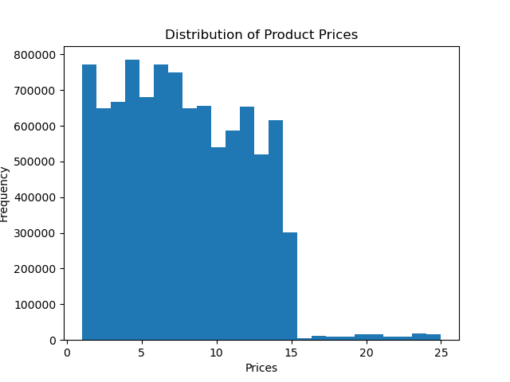

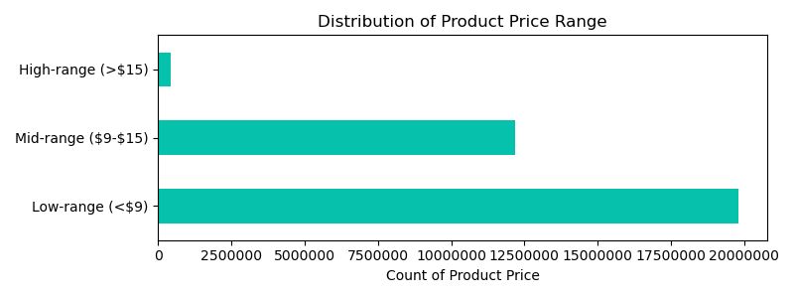

Findings:
(1). Histrogram shows a clearl price threshold at $15, sperating the high price products (>$15) from the rest. There is another less obvious price threshold at $9
that separates the product's prices below $15.

Recommendations:
(1). Simplify product prices into 3 price ranges, namely "High-range (>$15)", "Mid-range ($9-$15)", and "Low-range (<$9).

4. Are there certain types of products that are more popular than others? The marketing and sales teams want to know which departments have the highest
frequency of product orders?
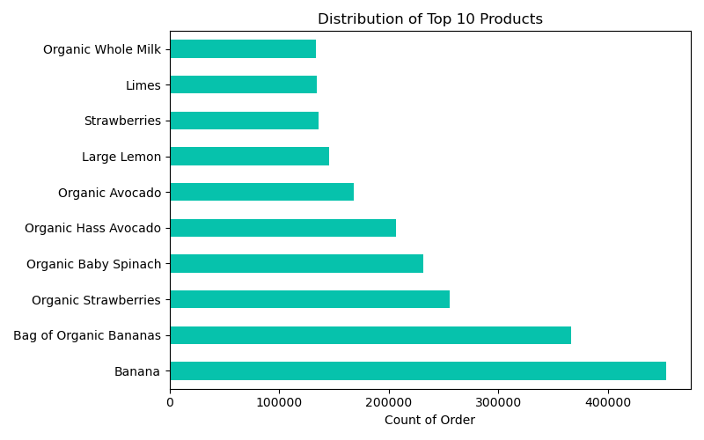
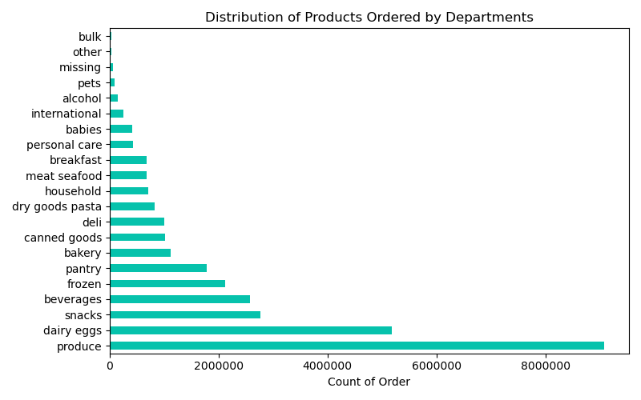

Findings:
(1). The overall distribution of popular departments and top 10 products are very similar to those found at highest price purchased product at 4 hours in the
early morning (see Question 2). Namely, the top 5 departments are produce, dairy eggs, snacks, beverages and frozen. And the top 5 products are banana,
strawberries, spinach, avocado and lemons.

Recommendations:
(1). Investigate the reasons for low demand on the bottom 5 departments; namely, alcohol, pets, missing, other and bulk, so that the sales of the products under
these 5 departments can be improved.

(2). A closer look at the product names reveals that many products have very similar names but with different product_id and prices. These name duplicates or
different naming formats need to be corrected so that they can describe the products more acurately.

5. The marketing and sales teams are particularly interested in the different types of customers in their system and how their ordering behaviors differ.
5.1. What’s the distribution among users in regards to their brand loyalty (i.e., how often do they return to Instacart)?

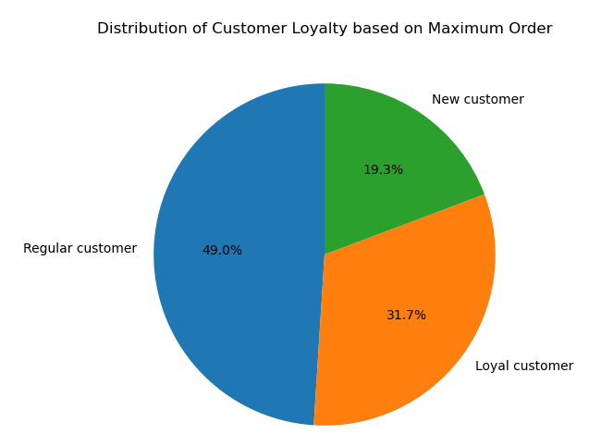
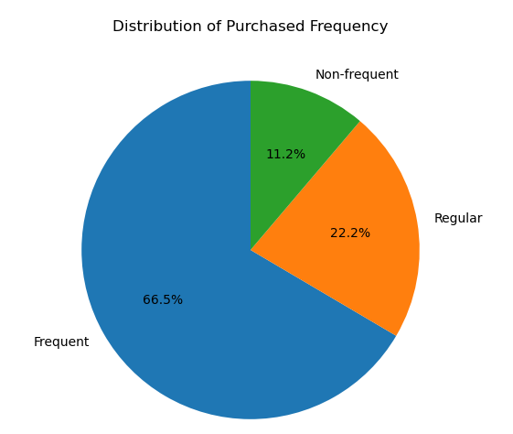

Findings:
(1). Purchased frequency is grouped and flagged using the median of day_since_prior_order; "Non-frequent", if median of day_since_prior_order is > 20,
"Regular", if median of day_since_prior_order is > 10 and <= 20, "Frequent", if median of day_since_prior_order is <= 10.
66.5% of Instacart's customers are considered frequent customers, who made purchases in every 10 days or less.

(2). Customer loyalty measures through maximum number of order is flagged as, "New customer" when max_order <= 40, "Regular customer" when
max_order > 10 and <= 40, and "Loyal customer" when max_order > 40. Almost half of the customers is flagged as regular customer, follows by 32% of loyal customer.

Recommendations:
(1). Purchased frequency is a good index to measure customer loyalty. Maximum order without a fixed timeframe is a loyalty index that is difficult to act upon.
I suggest to measure maximum order on a monthly basis, so that analysis can be done on a monthly basis, and sales and marketing strategy can be
developed based on more updated data as purchasing habits can change quickily due to competition.

5.2. Are there differences in ordering habits based on a customer’s loyalty status?

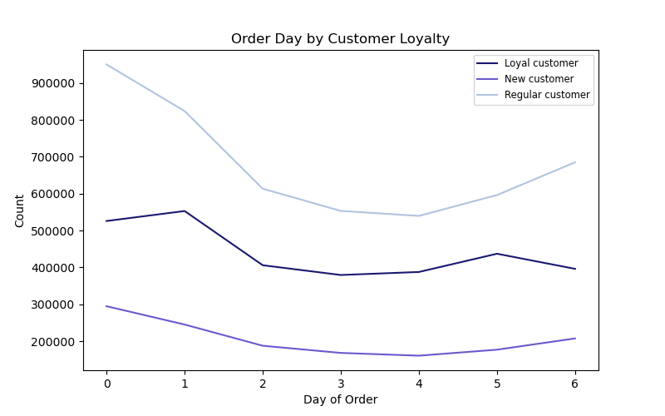
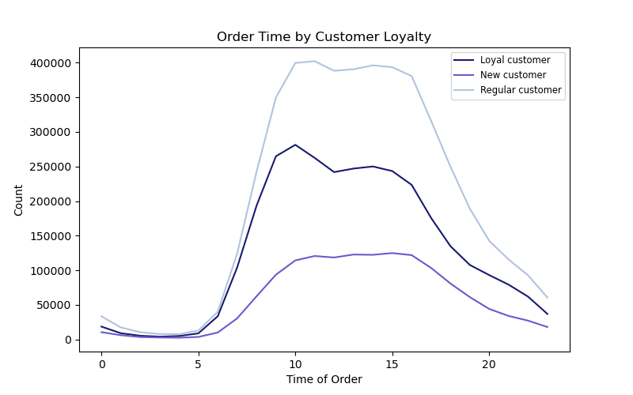

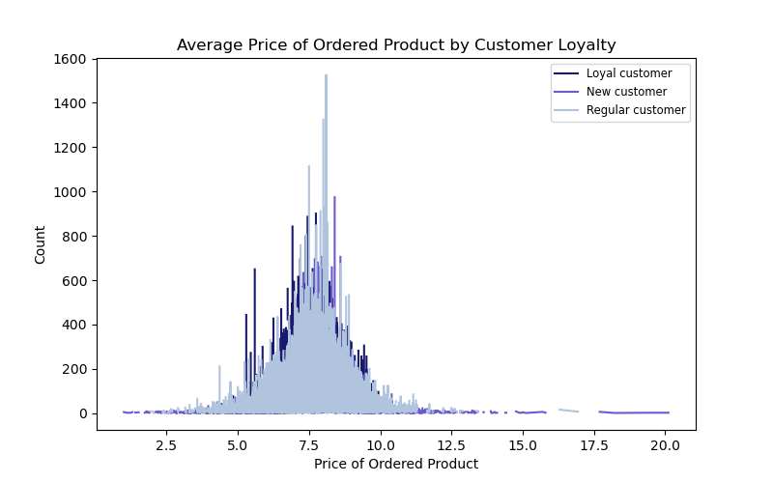

Findings:
(1). Ordering day: Trend of ordering day for regular and new customer are similar, as they order the most on Frida (6) and Saturday (0). However, for loyal customers, they order
the most on Sunday (1) and Thursday (5), instead of Friday and Saturday.
(2). Ordering Time: The general trend for ordering time is the same for all three loyalty groups. For loyal and regular customer, the maximum ordering time is between 10 and 11 am.
For new customer, the maximum ordering time is between 10 and 17 hours.
(3). There is no noticeable differences between the avergae price of ordered product between all three loyalty groups.

Recommendations:
(1). Use the differences observed in the ordering day between the loyalty groups to fine tune the targeted sales activity.

5.3. Are there differences in ordering habits based on a customer’s region?

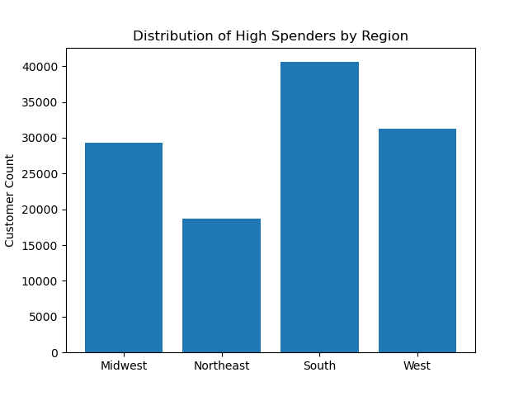
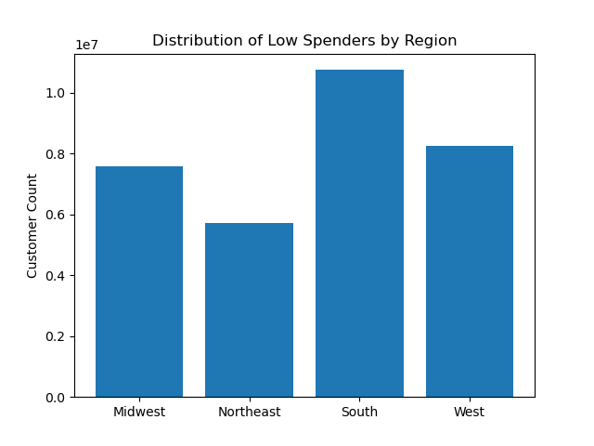

Findings:
(1). The is no noticeable differences between the low and hig spenders in the different regions. The spending habits between the regions are similar. Namely, high and
low spenders are highest in the south, follow by west, midwest, and the lowest is in the northeast region.

5.4. Is there a connection between age and family status in terms of ordering habits?

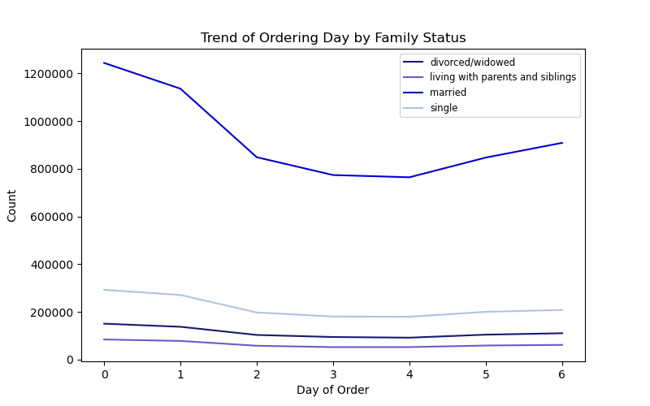
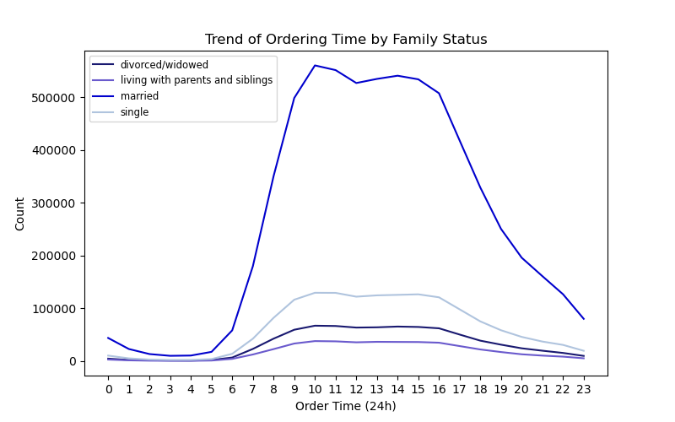

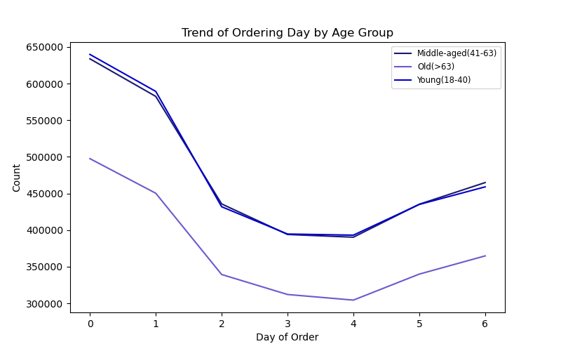
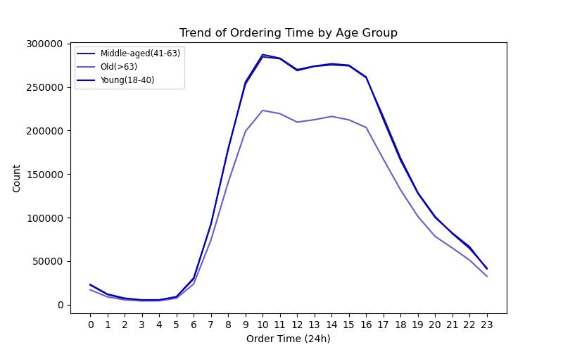

Findings:
(1). Day of order: In general, married customers (family-status) order 4x more than the other customers. They also arder the most on Saturday (0). While the young and
middle-aged groups tend to order 1.3x more then the old customers. They also order the most on Saturday (0)

(2). Time of order: The general trend on order time is similar for all family-status group. The order frequency increases at 6am and reach the maximum counts at 10am. The ordering
count stays stable until it starts to decrease at 3pm. However, married customers order almost 5x more than the othe groups during that time period.
The ordering time for the different age groups show similar trend as the family-status group. However, the young and middle-aged customers order almost 1.3X more than
the old customers between 9 and 15 hours.

(3). There is a connection between age and family status in terms of their ordering habits, as the trend of ordering day and ordering time are similar for different age groups
and family-status groups.

5.5. What different classiﬁcations does the demographic information suggest? Age? Income? Certain types of goods? Family status?

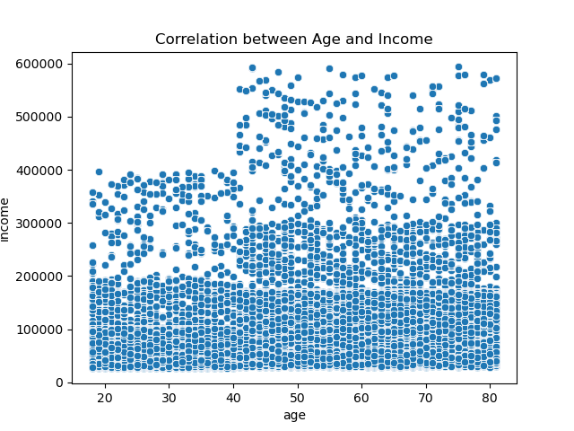
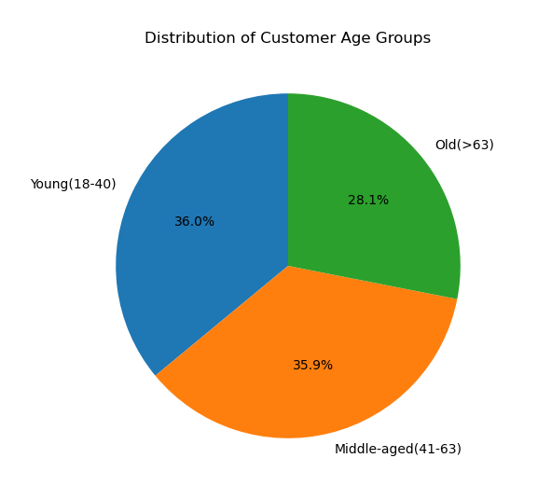

Findings:
(1). The relationship between age and income provides 2 observations:
- Age 40 is the threshold age when the annual income changes from a majority higher limit of $200,000 to $300,000.
- Below age 40, income above $200,000 can be considered outliers; Whereas, above age 40, salary above $300,000 can be considered outliers.

Recommendations:
(1). Focus sales and marketing strategy on customers above 40 years old (64% of total customers) customers, as they have higher income and are likely to have
higher spending power.

5.6. What differences can you ﬁnd in ordering habits of different customer proﬁles? Consider the price of orders, the frequency of orders, the products
customers are ordering, and anything else you can think of.
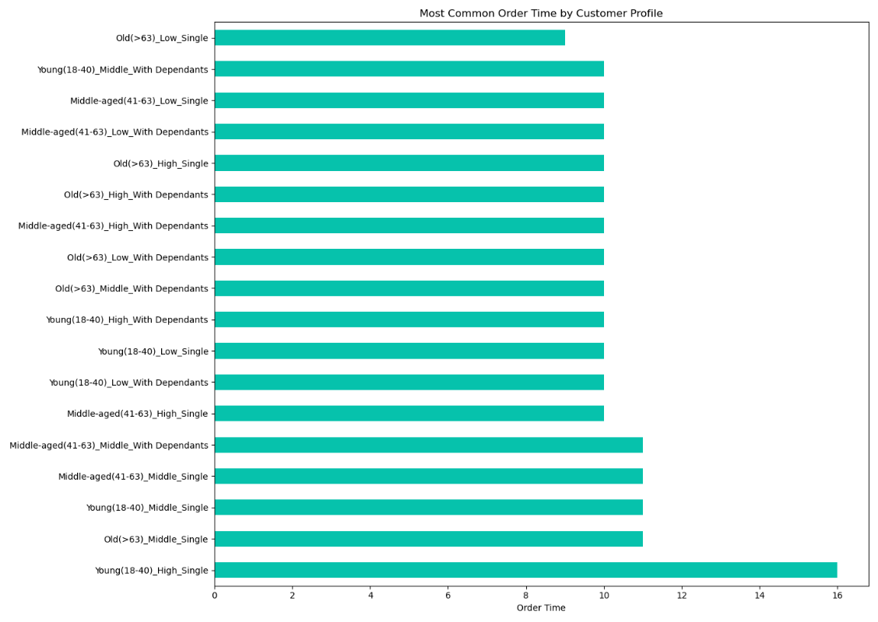
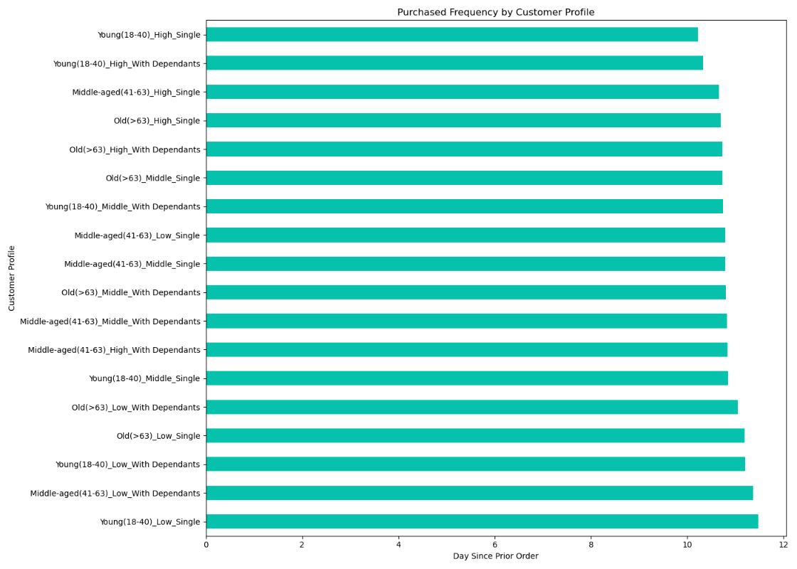

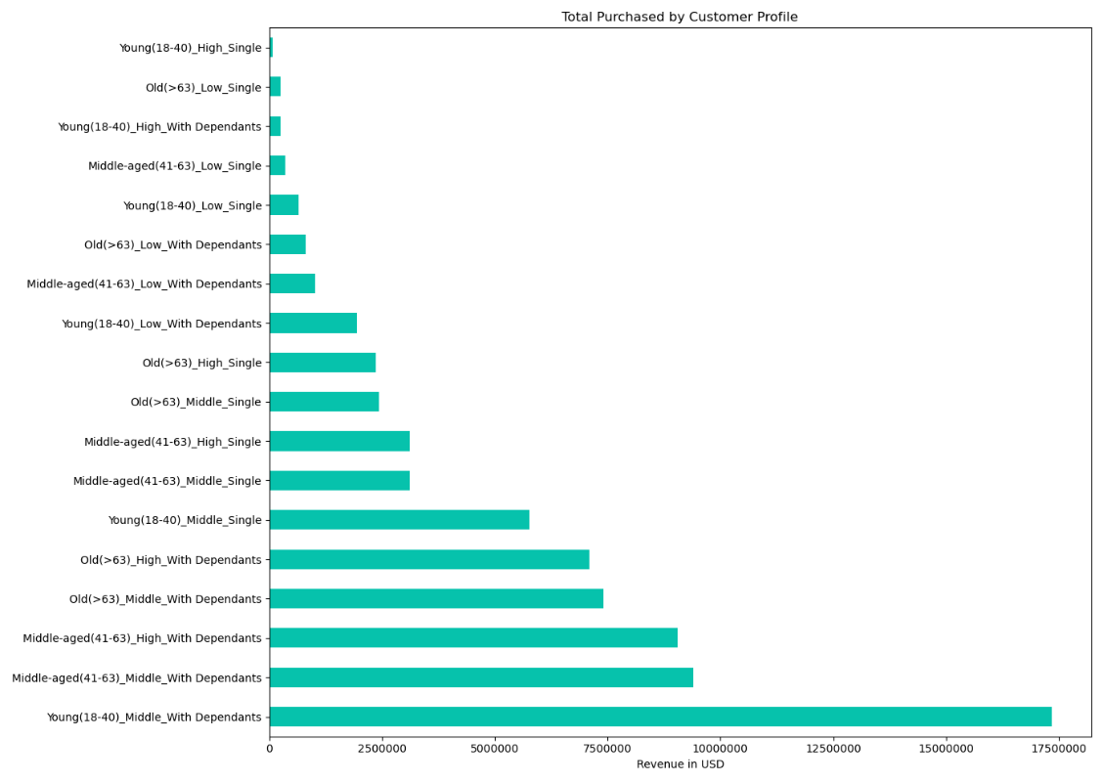
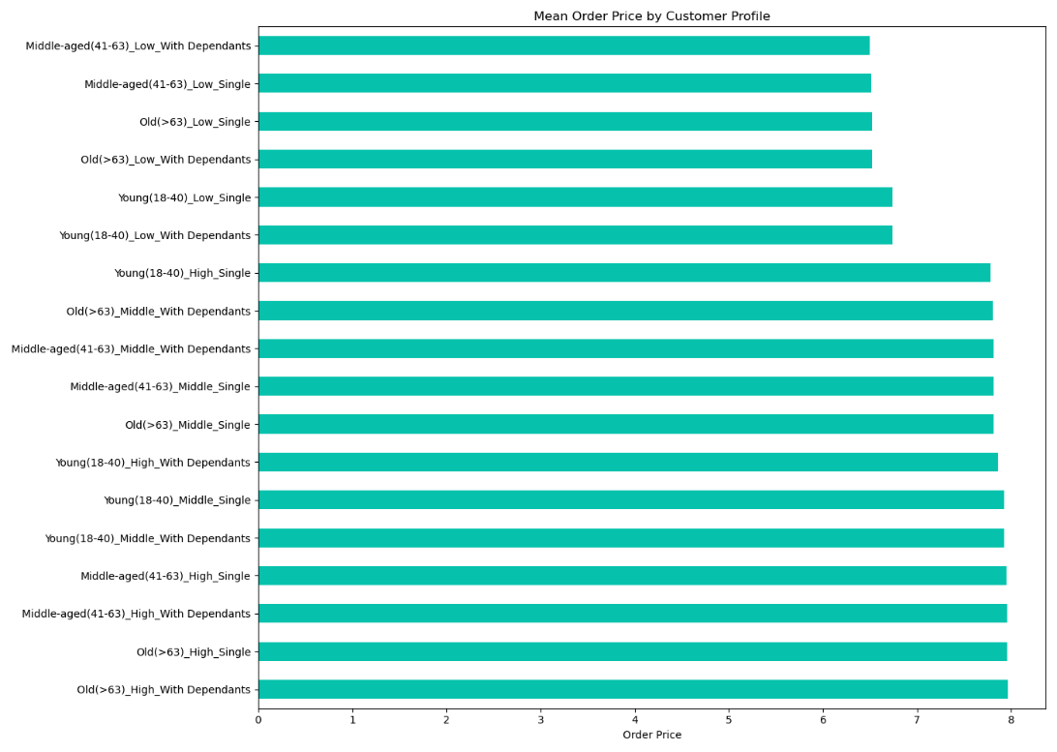

Findings:
(1). Order time by customer profiles: Young(18-40), high income, and single customers stand out from the other customer because their favourite order time is at
16 hours. While the old (>63), low income, single like to make their order at 9 hours.
(2). Day since prior order: Young (18-40), high income and single customers have the highest purchase frequency of 10 days compared to the other customer profiles.
And the young (18-40), but low income, singles show the lowest purchase frequency of 11.5 days.
(3). Total spending: Young (18-40), middle income, with dependants customers spend the most on their purchases, while surprisingly, the young (18-40), high income,
singles and the old (>63) low income singles spend the least on their purchases.
(4). Ordered product prices: No particular customer profiles stand out in this category as the mean prices for ordered products of the two majors groups are $7 and $8.

Recommendations:
(1). Focus on sales and marketing strategy to increase the total revenue from single customers with high and middle incomes because of their high purchasing power, and
it is the one KPI that shows a huge different between the highest and lowest revenue generating customers.

6. Compare your customer profiles with regions and departments. Can you identify a link between them? Customers may demonstrates different behaviours
across regions, which could make this information important.

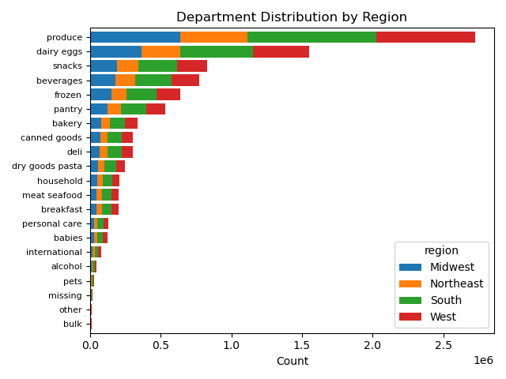
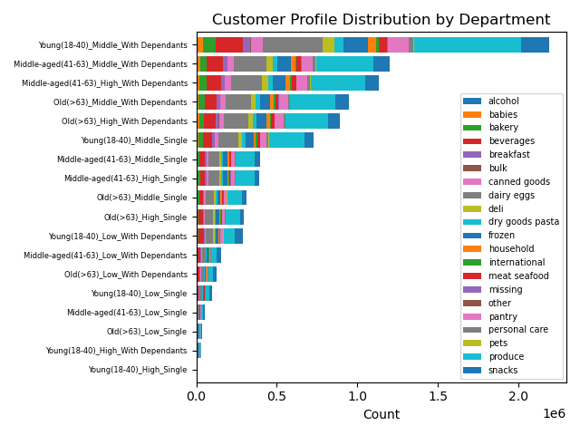

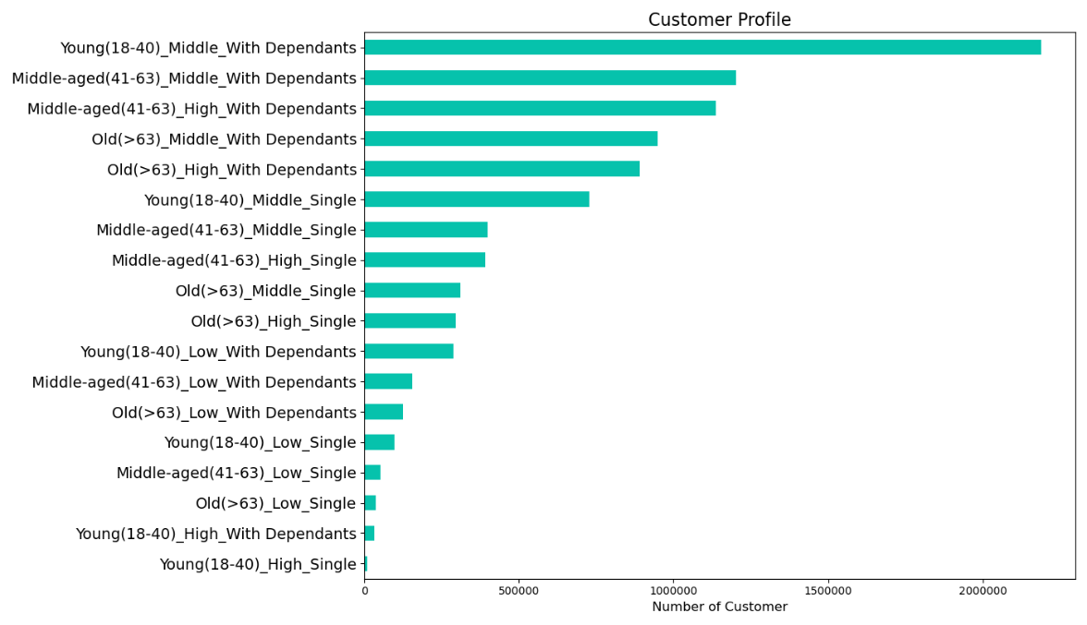

Findings:
(1). Customer profile of young, middle income with dependants are the majority customers for all 4 regions. They are also the dominating customers for the top 5 departments
i.e., produce, dairy eggs, snacks, beverages and frozen.

(2). Surprisingly, the young, high_income with dependants customers are on the lowest count with the young, high-income singles by region and by department.

Recommendations:
(1). Investigate and analyse further why the young, high-income, single or with dependants are not spending more than expected.

